Instructions
LIGHTer Sustainability evaluation tool Version 2019-01-18
This tool is based on:
- methodologies that have been developed within the LIGHTer program,
- the project JK 41015 Methods and tools for optimizing sustainability performance for product and process development,
- RISE IVF's internal assessment of research projects.
The working method:
Tab A. First, identify a comparison object. The sustainability impact of products or processes, according to the project's method or technology shall be compared with the sustainability impact of functionally equivalent products / processes that use currently accepted technology. The purpose is to evaluate what may change if the project is successful and its results are put into practice.
Tab B. The next step is to identify the project's significant sustainability aspects in relation to the comparison object in a life cycle perspective, i.e. Production of raw materials, Manufacturing, Use, as well as Recycling and waste management. This is done using a checklist.
Tab C. Here, the management of the significant sustainability aspects, both positive and negative ones are described.
Tab D. Here, an assessment of the impact on the significant sustainability aspects of the UN's sustainability goals is made. This tab is not mandatory for LIGHTer projects.
Sustainability support should be, if possible, carried out by two people together; ideally an expert in technology and an expert in sustainability. The checklist has been developed with the support of the international standard for social responsibility ISO 26000: 2010, Sweden's environmental goals, the UN's goals for sustainable development from 2015 and the Global Reporting Initiative, GRI. Under the Source tab, there is supplementary information on sustainability aspects and references.
Contack person: Cecilia Ramberg, cecilia.ramberg@ri.se
Tools and methods are still under development. In case of comments regarding the use, please contact mats.zackrisson@ri.se
----------------------------------------------------------------------------------------------------------------------------------------------------------------------------------------
Workflow information for the use of sustainability evaluation tool and sustainability reporting within LIGHTer
In LIGHTer, the sustainability evaluation tool is implemented in the following way:
1. In the call text
2. Application support
3. As a part of the evaluation
4. Decission
5. Workshop in conjunction with the project start
6. Final reporting
1. In the call text
The call text describes the requirements that must be set to ensure that the project leads to increased sustainability as well as the workflow for sustainability support (date of workshop, requirements for project plan, requirements for the final report).
2. Application support
During the application process, LIGHTer offers sustainability support by telephone limited to a certain time (2 hours).
3. As a part of the evaluation
The project's ability to lead to increased sustainability is an evaluation criterion. Sustainability expertise is required among the evaluators to make these assessments.
4. Decission
When a decision message is sent out, a reminder about requirements and workflow for sustainability support and reporting is also issued.
5. Workshop
A workshop is carried out according to the plan described in the call text. The workshop ensures that each project has the sustainability part of the project plan completed by identification of significant aspects, including a plan for how they are to be handled in the project.
6. Final reporting
The final report template contains a clearly designed sustainability section for reporting of sustainability aspects that has been included in the project plan.

D.Sustainable Development Goals
Describe the possible impact of the significant aspects on the UN's sustainability goals by replacing Not relevant to Positive impact or Negative impact where it is justified! Use the scroll bar!
Under More information, sub-goals are described under each sustainability goal and there are also links in the pictures to even more information for each goal.
 | More information | More information | More information | More information | More information | More information | More information | More information | More information | More information | More information | More information | More information | More information | More information | More information | More information
Sustainability targets Significant aspects | 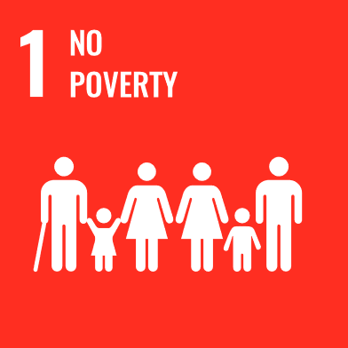 | 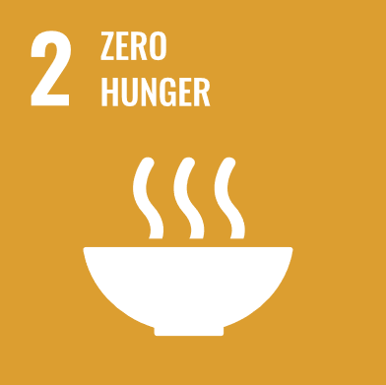 | 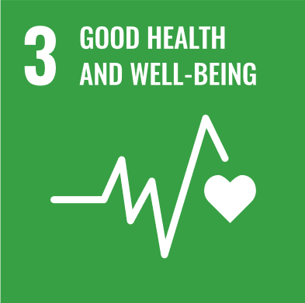 | 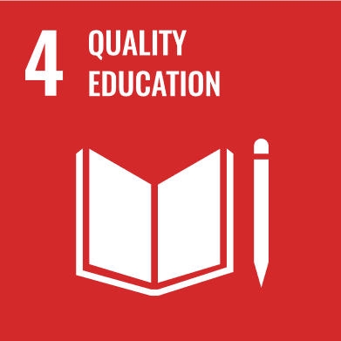 | 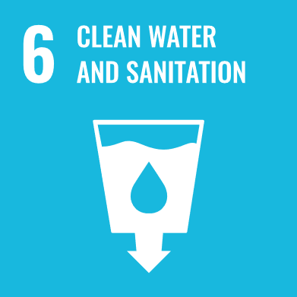 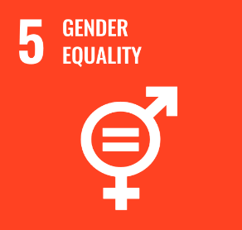 |  | 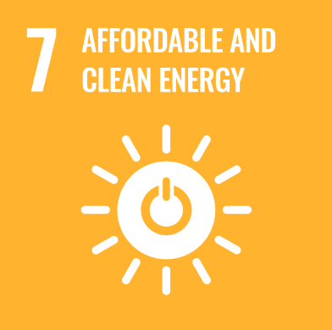 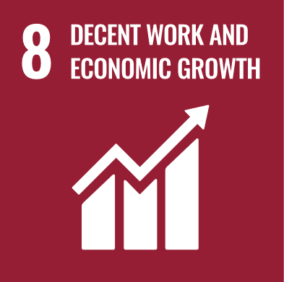 |  |  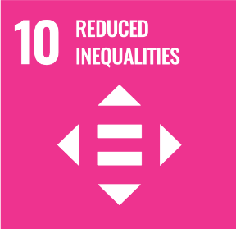 | 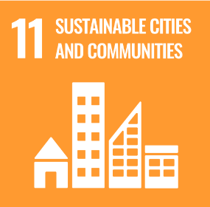 |  | 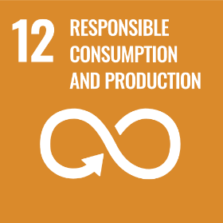  | 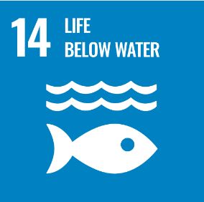 | 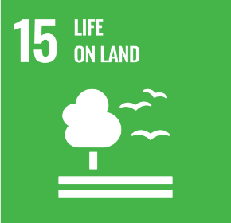 |  |  | 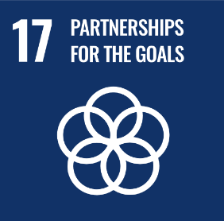
0 | Not relevant | Not relevant | Not relevant | Not relevant | Not relevant | Not relevant | Not relevant | Not relevant | Not relevant | Not relevant | Not relevant | Not relevant | Not relevant | Not relevant | Not relevant | Not relevant | Not relevant | Assessments
0 | Not relevant | Not relevant | Not relevant | Not relevant | Not relevant | Not relevant | Not relevant | Not relevant | Not relevant | Not relevant | Not relevant | Not relevant | Not relevant | Not relevant | Not relevant | Not relevant | Not relevant | Not relevant
0 | Not relevant | Not relevant | Not relevant | Not relevant | Not relevant | Not relevant | Not relevant | Not relevant | Not relevant | Not relevant | Not relevant | Not relevant | Not relevant | Not relevant | Not relevant | Not relevant | Not relevant | Positive influence
0 | Not relevant | Not relevant | Not relevant | Not relevant | Not relevant | Not relevant | Not relevant | Not relevant | Not relevant | Not relevant | Not relevant | Not relevant | Not relevant | Not relevant | Not relevant | Not relevant | Not relevant | Negative influence
0 | Not relevant | Not relevant | Not relevant | Not relevant | Not relevant | Not relevant | Not relevant | Not relevant | Not relevant | Not relevant | Not relevant | Not relevant | Not relevant | Not relevant | Not relevant | Not relevant | Not relevant
0 | Not relevant | Not relevant | Not relevant | Not relevant | Not relevant | Not relevant | Not relevant | Not relevant | Not relevant | Not relevant | Not relevant | Not relevant | Not relevant | Not relevant | Not relevant | Not relevant | Not relevant
0 | Not relevant | Not relevant | Not relevant | Not relevant | Not relevant | Not relevant | Not relevant | Not relevant | Not relevant | Not relevant | Not relevant | Not relevant | Not relevant | Not relevant | Not relevant | Not relevant | Not relevant
0 | Not relevant | Not relevant | Not relevant | Not relevant | Not relevant | Not relevant | Not relevant | Not relevant | Not relevant | Not relevant | Not relevant | Not relevant | Not relevant | Not relevant | Not relevant | Not relevant | Not relevant
0 | Not relevant | Not relevant | Not relevant | Not relevant | Not relevant | Not relevant | Not relevant | Not relevant | Not relevant | Not relevant | Not relevant | Not relevant | Not relevant | Not relevant | Not relevant | Not relevant | Not relevant
0 | Not relevant | Not relevant | Not relevant | Not relevant | Not relevant | Not relevant | Not relevant | Not relevant | Not relevant | Not relevant | Not relevant | Not relevant | Not relevant | Not relevant | Not relevant | Not relevant | Not relevant

